1. Title Page
[Grocery Basket Analysis]

Project Name: Instacart Grocery Basket Analysis
Date: 8/3/2023
Analyst Name: Alexey Pilyugin

Contents:
Population Flow
Consistency checks
Wrangling steps
Column derivations
Visualizations
Recommendations

2. Population Flow
Title page

Population flow

Exclusion flag
Condition: max_order < 5
Obervations to be removed: 3,240,341
Final total count of order_products_all: 30,964,518

Orders_products_combined
Orders_products_merged
Orders_products_all

Total: 32,404,859
Total: 32,434,489
Total: 32,404,859

1.) The grey boxes in the first row of the population flow represent the original data sets as they were when you downloaded them. In the Total fields you need to add the count of the rows when you imported the data set into Jupyter.
2.) The second row of boxes (coloured) represents the data sets after you manipulated them, e.g., removed missing values and duplicates. In the Total fields you need to add the count of the rows after conducting these operations. This offers a visual oveview of how the data flows throughout the data consistency checks.
3.) The third row, where also the arrows are coloured, represents the merges you performed between the datasets. In the Total fields you need to add the count of the rows in the merged datasets, so that you end up with the final dataset (in the red box). Keep in mind the final dataset should be without exclusions (based on the exclusion flag).

3. Consistency checks
 |  |  |  | Title page
Consistency checks

Dataset | Missing values | Missing values treatment | Duplicates
orders | Days_since_prior had 206,209 missing values | The values were untouched | -
products | Product_name had 16 missing values | The values were dropped | There were 5 duplicates of rows
orders_products_prior | - | - | -
customers | First Name had missing values and mixed data | The values were untouched | -

4. Wrangling steps
 |  |  |  | Title page
Wrangling steps

Columns dropped | Columns renamed | Columns' type changed | Comment/Reason
"eval_set" | - | - | -
"First Name" | - | "First Name" to string | The PII was removed as it's not needed
"Last Name" | - | - | The PII was removed as it's not needed
"_merge" | - | - | -
- | "Surnam" to Last Name | - | The name was more legible.
- | - | "user_id" to string | -
- | - | "order_id" to string | -

5. Column derivations
 |  |  |  | Title page

Column derivations and aggregations

In this tab you should add tables below that the frequences of flags/label variables that you produced after deriving them. NB: don't do this for continuous variables, only for flags.
Dataset | New column | Column/s it was derived from | Conditions
customer_ords_prods_merged_49.pkl | ave_spend | "prices" and "user_id" | the mean of prices
customer_ords_prods_merged_49.pkl | spending_flag | "ave_spend" | ave_spend>=10=high spender, ave_spend<10=low spender
customer_ords_prods_merged_49.pkl | median_order | "orders_dow" and "user_id" | the median of the frequency of ordering
customer_ords_prods_merged_49.pkl | frequency_flag | "median_order" | median_order<=20 & >10=regular customer, median_order>20=nonfrequent customer, median_order <=10= frequent customer
customer_ords_prods_merged_49.pkl | max_order | "order_number" and "user_id" | the maximum number of orders
customer_ords_prods_merged_49.pkl | loyalty_flag | "max_order" | max_order <=40 & >10 = regular customer, max_order >40 = loyal customer, max_order <=10 = new customer
df_all_high | dep_group_loc | "n_dependants" | yes or no of dependants
df_all_high | income_group_loc | "income" | high income, low income, middle income
df_all_high | cust_profile | "dep_group_loc" and "age_group_loc" | older age and yes to dependants
df_all_high | cust_profile | "dep_group_loc" and "age_group_loc" | younger age and yes to dependants
df_all_high | cust_profile | "dep_group_loc" and "age_group_loc" | middle age and yes to dependants
df_all_high | cust_profile | "fam_status" and "age_group_loc" | older age and single
df_all_high | cust_profile | "fam_status" and "age_group_loc" | younger age and single
df_all_high | cust_profile | "fam_status" and "age_group_loc" | middle age and single

6. Visualizations
 | Title page

Visualisations


In this tab you should include all the visualtions from Exercises 4.9 and 4.10, alongside the questions from the project brief that they answer. Include any commentary on the relationship between different variables.
In this tab you should include all the visualtions from Exercises 4.9 and 4.10, alongside the questions from the project brief that they answer. Include any commentary on the relationship between different variables.

Orders vary based on the day of the week
Both the number of orders and amount spent per customer varies on average based on the particular day of the week.


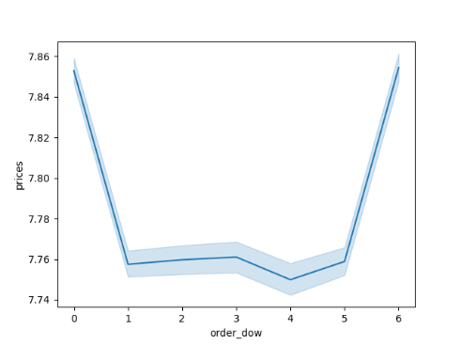
The Orders Placed by Day of Week
The Price Spent by Day of Week

orders placed

Day of the week
Day of the week

Recommendations

The time of day dictates orders and amount spend
Orders placed tend to peak several hours after noon, while high ticket items tended to sell best several hours after midnight.

The Orders Placed by Time of Day
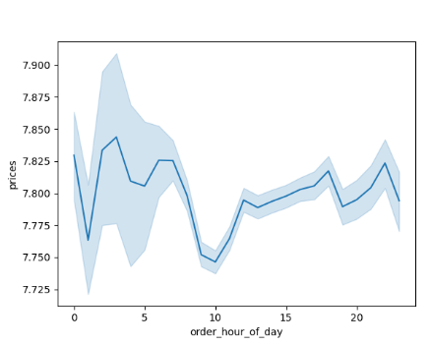
The Amount Spent by Time of Day
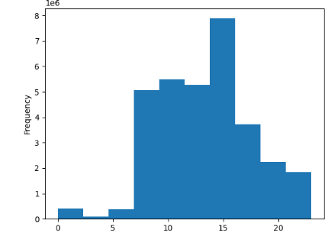
Peak Hours
Peak Hours

Hour of order
Hour of order

Recommendations

Frequency of Product Price Point

The frequency of products sold remains stable before $15, peaking at $7. Then there is a dropoff after $16.

Product price

Recommendations

Department Consumption
Customer Profile by Department
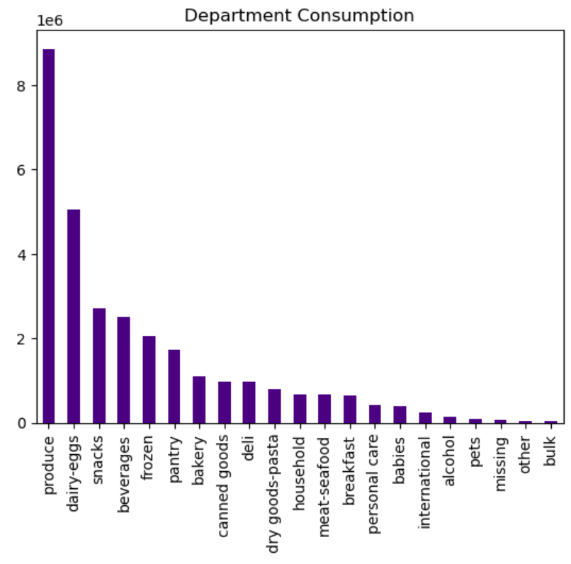
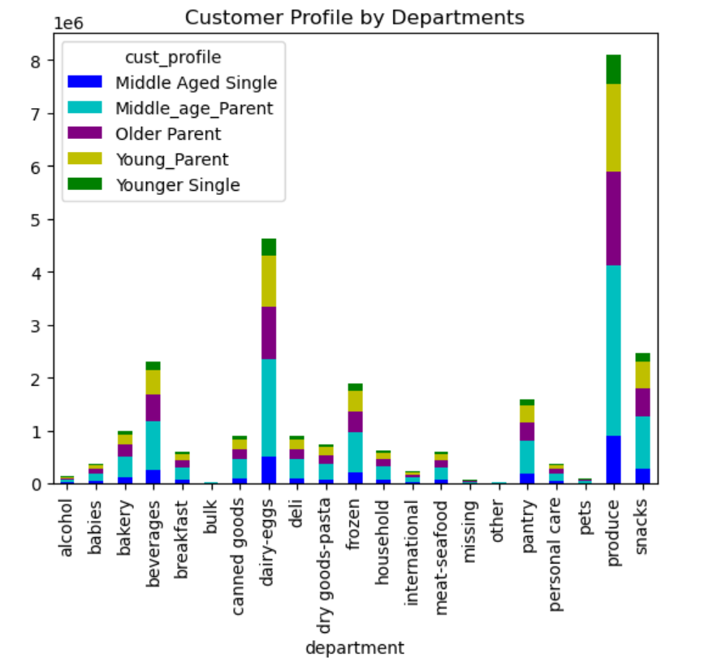

Recommendations

Instacart has over twice as many regular customers than new customers

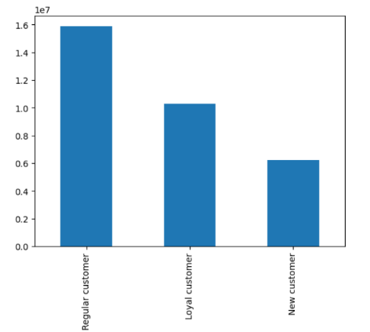
The majority of our customers are either regular or loyal, placing 10-40 and 40 or more orders.

Recommendations

The Southern US region leads performance by a longshot

Middle aged customers take up the largest customer profile proportion in all four US regions.
Department by Region
Customer Profile by Region
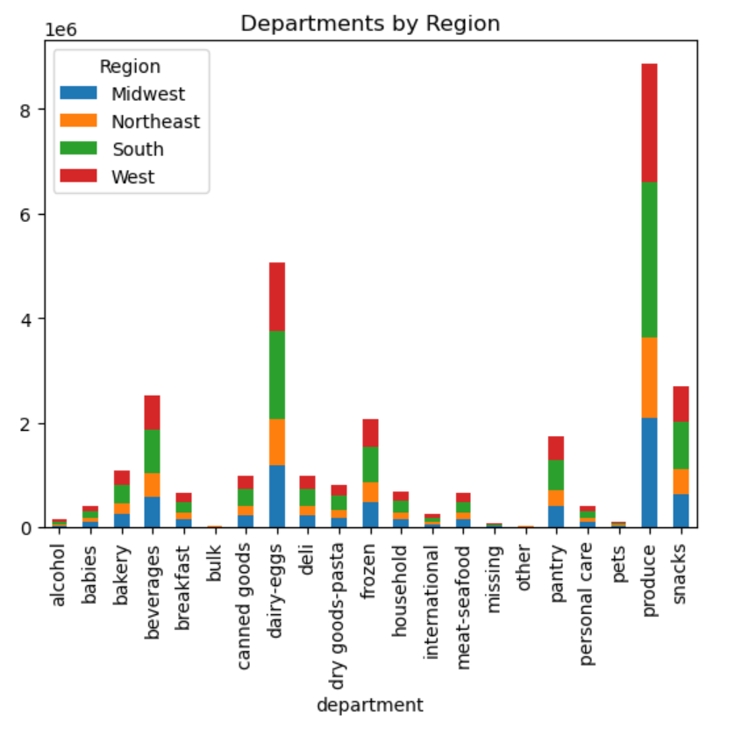
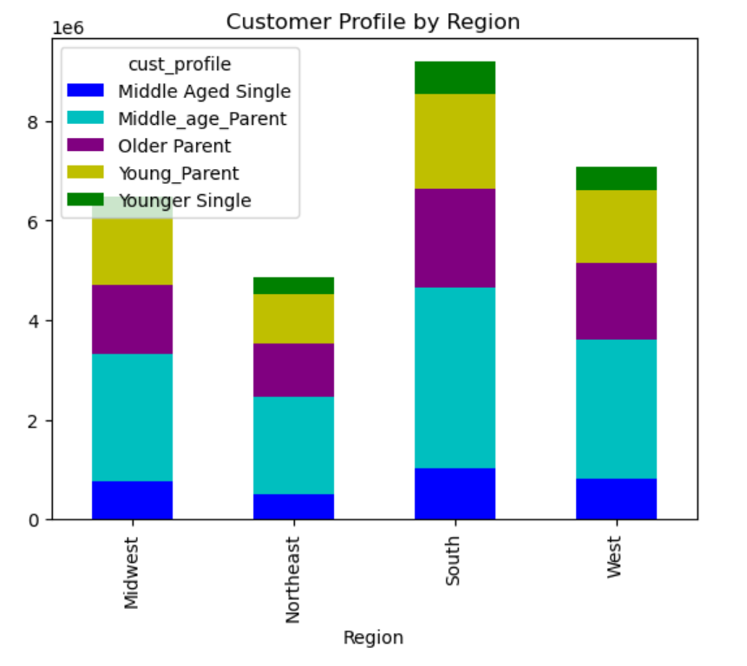

Recommendations

Middle-aged customers take up the vast majority of orders.
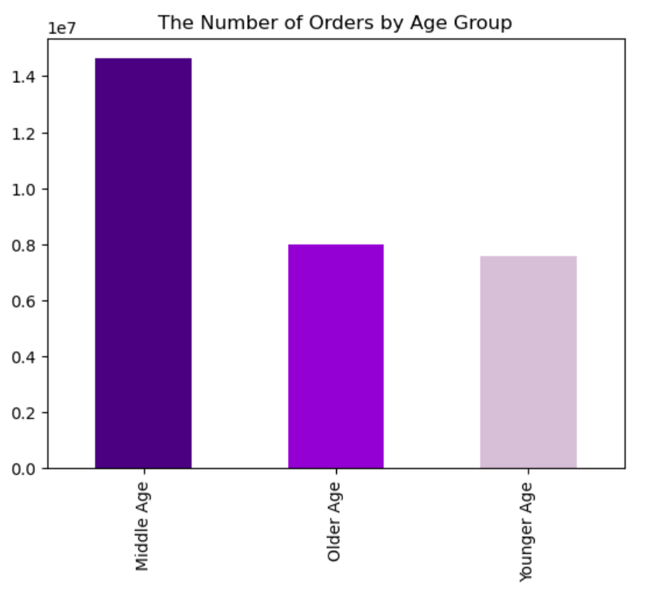

Older-aged and younger-aged customers take up a similar amount of orders.

Recommendations
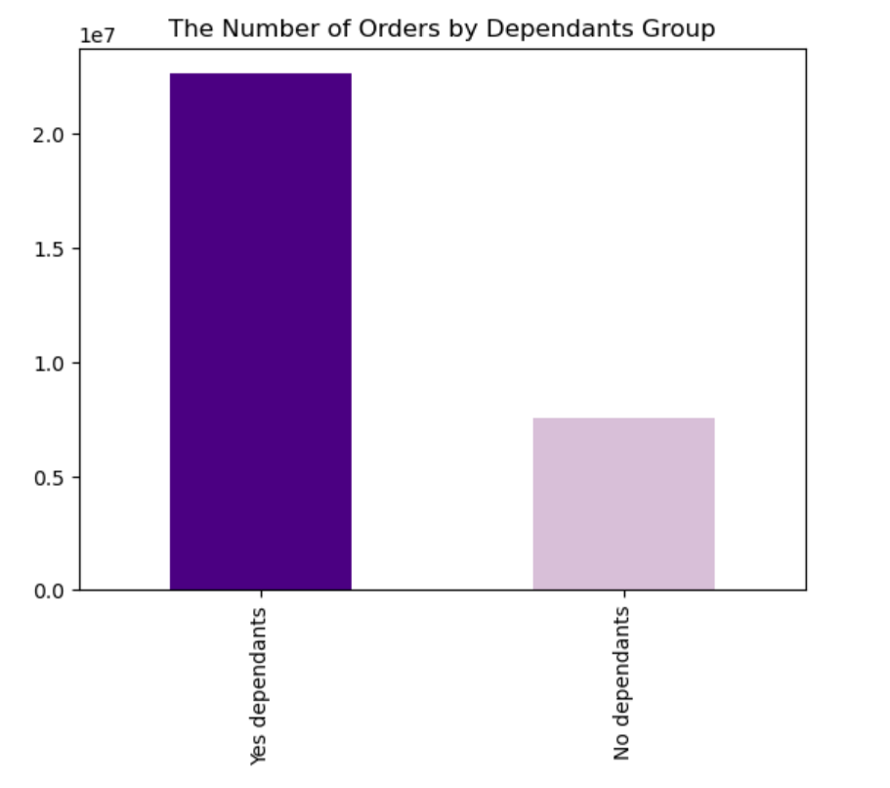
Around three fourths of instacart customers have dependents and a quarter of our customers have no dependents.

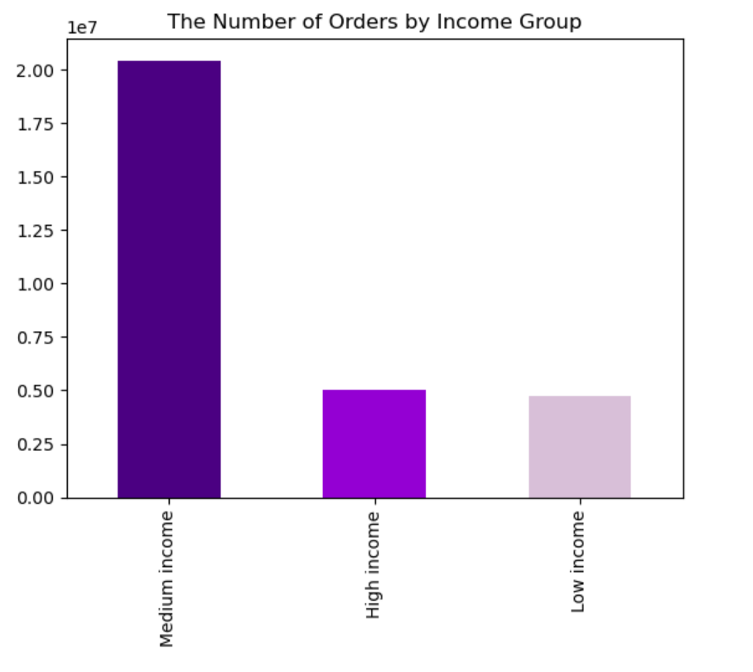

High income and low income customers place significantly less orders than the medium income demographic.

Recommendations

7. Recommendations
 | Title page

Recommendations

In this tab you should include any recommendations you would made to Instcart in terms of their marketing strategy based on the questions posed in the brief. Every key question has been covered in the Tasks of the Exercises - here you need to add an item - a visualisation or table/crosstable that is showing the answer in the data, acompanied by a comment from you. Please, list the questions below and add the answer underneath.

1. What are the busiest days of the week?

Observation: the days of the week that are busiest are Saturday, followed by Sunday and Friday. The least busy days are Wednesday, Tuesday, and Thursday. Additionally, customers spent significantly more on both Saturday and Friday.

Suggestion: the marketing team can promote certain events around certain days to promote an influx of revenue, such as “Two for one Tuesday!” This can include discounts or promotions that incentivize buyers such as loyalty points programs where double the points are acquired on Tuesday for example. This may cost the company in the short-term, such as cutting costs due to discounts, but may benefit from the long-term revenue generating lens.

Visualization:*

2. Are there any particular times of the day when people spend the most money?

Observation: the amount spent by customers peaks between 2:00 pm to 3:00 pm, with a rise and valley before and after this period. Additionally, higher ticket items tend to be sold later in the day, with the peak being between 2:00 am to 4:00 am.

Suggestions: Knowing this data surrounding the hottest times of purchase, the company’s sales team could capitalize on this pot of gold. These times would be critical concerning sending emails about discounts or deals, ads about newly-listed products, and potential item launch times.

Visualization:*

3. Instacart has many products with different price tags. Can a simpler price range grouping be used to help direct our efforts?

Observations: A simpler prince range grouping includes frequented goods that cost less than $15 since it is clear that items costing $16 or more receive much fewer buyers.

Suggestions: Instacart can utilize one of two strategies, since items costing $15 or more sell less often, the team can first begin to promote or advertise these items and if this fails, then start to slowly downsize their inventory. These items take up storage space and tangentially cost extra to store. Unless they bring value after a promotion period, they should slowly begin to take these items off the shelves.

Visualization:*

4. Are there certain types of products that are more popular than others? How do department frequencies differ?

Observations: produce racks up the highest sales at $9.5 million which is followed by dairy-eggs with $5.4 million and not long after, snacks with $2.9 million. Additionally, the middle-aged parent demographic seems to take up a significant portion of these sales.

Suggestions: Produce being the best-selling product has both an upside and a downside. On the one hand, this encompasses a wide variety of items; vegetables, freeze-dried berries, fruits et cetera, this means more products to list and sell. On the other hand, produce when not frozen is one of the quickest foods to expire. Knowing this, the Sales team can attempt to promote more frozen produce and do further investigation into which produce cells the best. Also, the team should decide on how to boost other offerings such as deli and bakery goods.

Visualization:*

5. What’s the distribution among users in regards to their brand loyalty?
Observations: There are 15,876,776 regular customers (who make 10 to 40 orders) which compromises the highest loyalty group. They are followed by 10,284,093 loyal customers (who make 40 or more orders). Lastly, there are 6,243,990 new customers (who make 10 orders or less).

Suggestions: Clearly there are sufficient incentives in place for our customers since the “regulars” make up a little under half of all Instacart customers. The loyal customers (with the most orders) make up the second largest loyalty group. In future projects, it would be ideal to increase the “loyal” customer group by offering special perks or targeting this group with catered ads.

Visualization:*

6. Are there differences in ordering habits based on a customer’s region?
Observations: customer spending habits do vary on region, with the South region placing the most orders on average and is largely made up of middle-aged parents. This region is then followed by the West, Midwest, and Northeast.

Suggestions: since the regions do vary based on region, the company should focus more promotion and resources on the most popular regions such as the South. Additionally, Instacart should target popular products based on these trends, including; produce, dairy/eggs, snacks, beverages, and frozen.

Visualization:*

7. What different classifications does the demographic information like the customer’s age suggest?

Observations: older customers (65 years or older) and younger (18-33 years) are almost identical in the number of orders placed, with the older group placing slightly more. Meanwhile, middle-aged customers (34-64 years) place the highest amount of orders out of all three age demographics.

Suggestions: middle-aged customers place slightly less than double the number of orders the older and younger aged customers place. The company should try to even out these numbers by alleviating any potential disconnect the customers have from our product. For example, the older demographic may have technological difficulties in accessing our app or website, so it would be useful to make our user interface simpler and accessibility-friendly.

Visualization:*

8. Is there a connection between income status in terms of ordering habits?

Observations: the largest proportion of Instacart customers have dependents. Those customers that are married or living with extended family have anywhere between 1 to 3 dependents. While single, divorced, or widowed customers have zero dependents.

Suggestions: since most of our customers have one or more dependents, it would be advantageous to offer more bulk items. Typically, families will order items in bulk rather than individual items to both cut costs and stock up on items since many individuals will consume foods at a quicker rate. Additionally, our marketing team can cater ads to be more family-friendly and display images of happy families receiving their grocery orders. One key element to these ads will be time-management, having more time for family duties with the ease of our delivery services.

Visualization:*

9. Is there a connection between age and family status in terms of ordering habits?

Observations: the bulk of Instacart orders were purchased by middle income customers (salary of $56,587-$142,953). This was followed by high income customers (salary of $142,953 or higher). Then not far behind were low income customers (salary of $56,587 or less) who made up the lowest proportion of orders.

Suggestions: as middle income customers make up the largest proportion of orders, our products should reflect this trend. Our products should offer a middleground between cost and quality. We do not want to lack in either aspect, instead, achieve a sufficient price while offering unbeatable quality and freshness. Our prices should offer a smaller selection of low/high-priced items since the low income and high income customers are the lowest demographics in Instacart orders.

Visualization:*

